Instructions
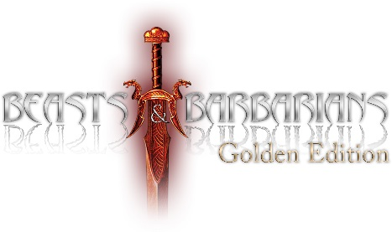

This sheet is designed to be used with Beasts and Barbarians suppliment, Gladiators of the Dominon, to use this you require a copy of this suppliment, a copy of Beasts and Barbarians Golden Edition, and the Savage Worlds Deluxe core rulebook

Items on a grey background are entered by the user
Items on a blue background are calculated by the roster
Items on a red background are invalid selections, see the comments for guidance

Gladiators are entered on the Roster Selection tab, and you can also specify details about your team and league, Select any assets that are inplay from the Assets tab (except Mercenary's which are added like a regular gladiator). If you wish to use your PC, or design your own gladiator, you can do so on the Custom Gladiators tab, NB: Arcane Backgrounds have deliberately been omitted, select the generic AB, and Power Edge place holders

The Print Sheet is designed to output on 2 sheets of A4 paper to provide quick reference during play

As your team progresses, you can award increases to your attributes or skills via the "Mod" column on the Roster Selection tab. This will automatically increase the relevant statistic on the Print Sheet tab. Additionally, you can select extra Edges and add more Gear to your fighter through the relevant sections on the Roster Sheet.

This game references the Savage Worlds game system, available from Pinnacle Entertainment Group at www.peginc.com. Savage Worlds and all associated logos and trademarks are copyrights of Pinnacle Entertainment Group. Used with permission. Pinnacle makes no representation or warranty as to the quality, viability, or suitability for purpose of this product. Some artwork copyright Michael Hammes and Philip Reed, used under license. www.roninarts.com ©2011 Gramel Justyna Koryś, Beasts and Barbarians, Dread Star Dominions and all related marks and logos are trademarks of Gramel Justyna Koryś. All Rights Reserved. Produced under license by Studio 2 Publishing, Inc. The Studio 2 logo is a trademark of Studio 2 Publishing, Inc. All rights reserved.

